Sheet1
Scene No. | 1
Quest Title | 偷鱼的贼
Quest Log | 打败10个怪鸟多蕾斯回复米米亚
Map No. | 29
 | 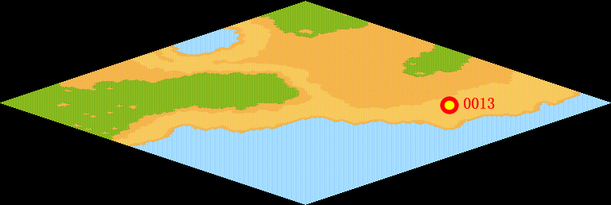
NPC No.
Condition
Dialog
Select
Result | 1 :Scene 002

NPC No.
Condition
Dialog
Select
Result

ScriptFile | Qlog-0035-001.scr

